Sheet1
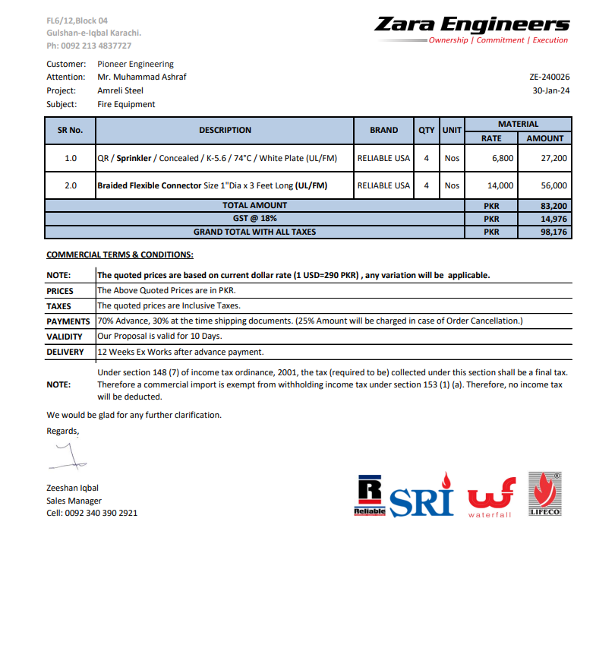


PES/AMR/007/8/24 |  |  |  |  | 2024-08-15

Attn: Mr. Taha Ghaznavi

Variation order for Access Panel - Amreli Office DMC Karachi

S. # | Description | Unit | Qty | Rate | Amount
1 | Supply and installation of access panel 14 x 14. | No | 1 | 3,150 | 3,150
2 | Supply and installation of access panel 20 x 20. | Nos | 4 | 6,400 | 25,600
3 | Supply and installation of access panel 26 x 26. | Nos | 9 | 10,820 | 97,380
4 | Supply and installation of access panel 32 x 32. | No | 1 | 16,400 | 16,400
Total Amount Rs. |  |  |  |  | 142,530

Thanking you,

For PIONEER ENGINEERING SERVICES.

Bilal Habib

